Imprint
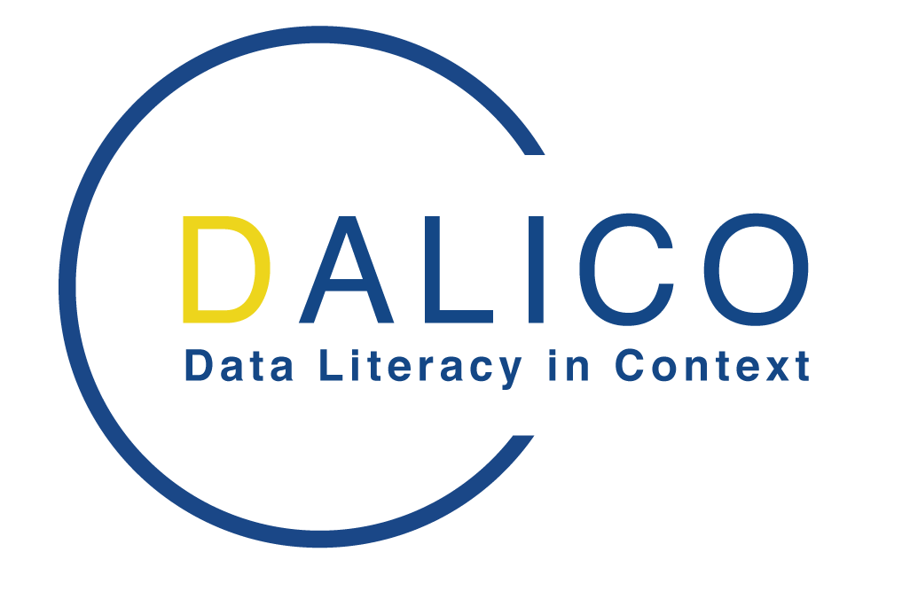



About this template
This planning document has been developed during the Erasmus+ funded project "Data Literacy in Context" - DaLiCo, by the project leader University of Applied Sciences Hamburg (HAW Hamburg), in order to plan virtual summer schools. The project was funded through the European Commission. The content of this document exclusively reflects the opinions of the authors. The EU Commission and the National Agency at the DAAD assume no liability arising from the use of the information presented here. More information about the project and its objectives, as well as other results developed in the project, can be found under: https://dalico.info/

Publication date: 2022-10-31 Licence This work is licensed under a Creative Commons License Attribution 4.0 International CC-BY-SA: https://creativecommons.org/licenses/by-sa/4.0/

